Introduction
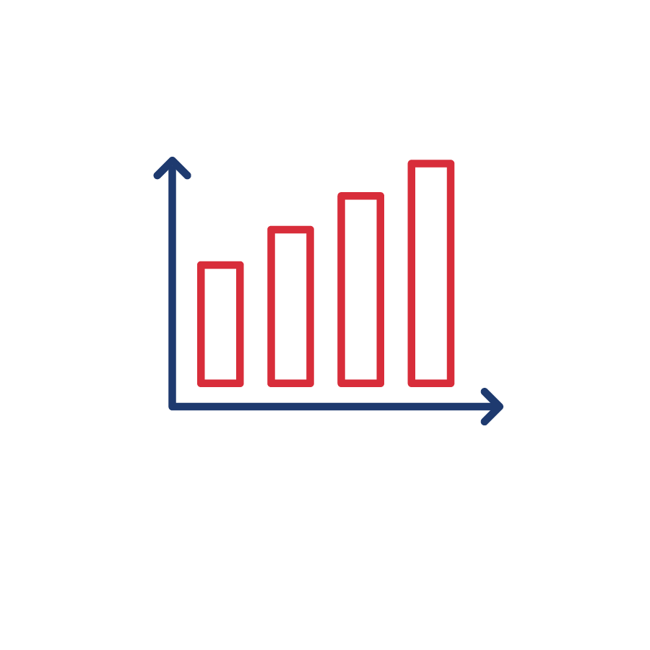

SEPA Utility Carbon-Reduction Tracker™ Dataset

The SEPA Utility Carbon-Reduction Tracker is a public resource that aggregates and summarizes industry commitments to carbon reduction. The supporting data can be found in the "Dataset" tab of this file, which includes a select set of data points collected and validated by SEPA. | The SEPA Utility Carbon-Reduction Tracker is a living resource that SEPA updates as new information becomes availble. We encourage you to check the project webstite regularly for updates to this dataset.


 | Last Updated Date/Time: 2021-11-25 19:30:57 ET

Questions or comments about the SEPA Utility Carbon-Reduction Tracker? Email research@sepapower.org.

COPYRIGHT: © Smart Electric Power Alliance, 2021. All rights reserved. This material may not be published, reproduced, broadcast, rewritten, or redistributed without permission.

Notes: Regarding the “State(s)” column in the second tab, for utility parent companies and G&T utilities, the state(s) listed represent the state(s) of the distribution utilities served by the parent company or G&T utility. However, a target adopted by a utility parent or G&T utility does not necessarily require individual utilities owned by the parent or served by the G&T utility to comply with the overarching target. Regarding the “Interim Target(s) Summary” column in the second tab, data is provided for interim targets for utilities and utility parent companies that have adopted voluntary carbon-reduction targets. Data generally is not provided for interim targets for utilities subject to a mandatory 100% state-level requirement.

 | To cite the SEPA Carbon-Reduction Tracker, please use the following format: SEPA Utility Carbon-Reduction Tracker™. Smart Electric Power Alliance (SEPA). Retrieved [Month Day, Year] from https://sepapower.org/utility-transformation-challenge/utility-carbon-reduction-tracker.

Methodology & FAQs

